CumWorkingDates
Months | Report Date | Sum of Value | WORKING Days | Sum of Value | Cumulative Working Days
oct | 1-oct | 212 | 1-oct | 212.00 | 212.00
 | 2-oct | 192 | 2-oct | 192.00 | 202.00
 | 5-oct | 172 | 5-oct | 172.00 | 192.00
 | 6-oct | 239 | 6-oct | 239.00 | 203.75
 | 7-oct | 212 | 7-oct | 212.00 | 205.40
 | 8-oct | 206 | 8-oct | 206.00 | 205.50
 | 9-oct | 217 | 9-oct | 217.00 | 207.14
 | 12-oct | 192 | 12-oct | 192.00 | 205.25
 | 13-oct | 293 | 13-oct | 293.00 | 215.00
 | 14-oct | 182 | 14-oct | 182.00 | 211.70
 | 15-oct | 225 | 15-oct | 225.00 | 212.91
 | 16-oct | 184 | 16-oct | 184.00 | 210.50
 | 19-oct | 160 | 19-oct | 160.00 | 206.62
 | 20-oct | 72 | 20-oct | 72.00 | 197.00
 | 21-oct | 242 | 21-oct | 242.00 | 200.00
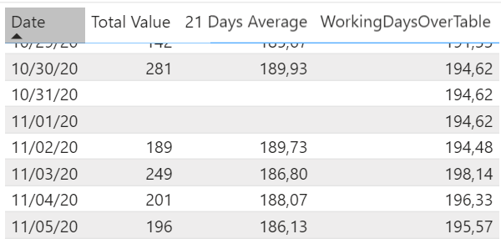
 | 22-oct | 160 | 22-oct | 160.00 | 197.50
 | 23-oct | 200 | 23-oct | 200.00 | 197.65
 | 26-oct | 224 | 26-oct | 224.00 | 199.11
 | 27-oct | 177 | 27-oct | 177.00 | 197.95
 | 28-oct | 115 | 28-oct | 115.00 | 193.80
 | 29-oct | 142 | 29-oct | 142.00 | 191.33
 | 30-oct | 281 | 30-oct | 281.00 | 194.62
nov | 2-nov | 189 | 2-nov | 189.00 | 194.48
 | 3-nov | 249 | 3-nov | 249.00 | 198.14
 | 4-nov | 201 | 4-nov | 201.00 | 196.33
 | 5-nov | 196 | 5-nov | 196.00 | 195.57
Grand Total |  | 5134

