Example
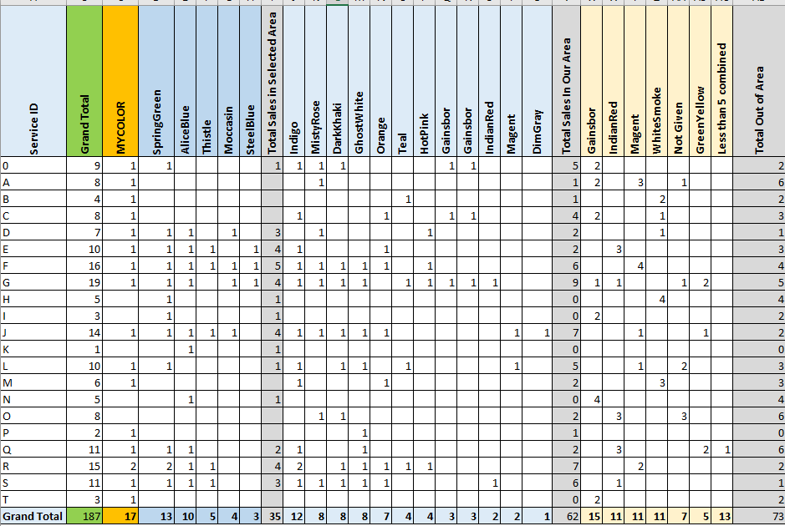
1
2
Group 3
Group 4
Group 5
Service ID | Grand Total | MYCOLOR | SpringGreen | AliceBlue | Thistle | Moccasin | SteelBlue | Total Sales in Selected Area | Indigo | MistyRose | DarkKhaki | GhostWhite | Orange | Teal | HotPink | Gainsbor | Gainsbor | IndianRed | Magent | DimGray | Total Sales In Our Area | Gainsbor | IndianRed | Magent | WhiteSmoke | Not Given | GreenYellow | Less than 5 combined | Total Out of Area
0 | 9 | 1 | 1 |  |  |  |  | 1 | 1 | 1 | 1 |  |  |  |  | 1 | 1 |  |  |  | 5 | 2 |  |  |  |  |  |  | 2
A | 8 | 1 |  |  |  |  |  |  |  | 1 |  |  |  |  |  |  |  |  |  |  | 1 | 2 |  | 3 |  | 1 |  |  | 6
B | 4 | 1 |  |  |  |  |  |  |  |  |  |  |  | 1 |  |  |  |  |  |  | 1 |  |  |  | 2 |  |  |  | 2
C | 8 | 1 |  |  |  |  |  |  | 1 |  |  |  | 1 |  |  | 1 | 1 |  |  |  | 4 | 2 |  |  | 1 |  |  |  | 3
D | 7 | 1 | 1 | 1 |  | 1 |  | 3 |  | 1 |  |  |  |  | 1 |  |  |  |  |  | 2 |  |  |  | 1 |  |  |  | 1
E | 10 | 1 | 1 | 1 | 1 |  | 1 | 4 | 1 |  |  |  | 1 |  |  |  |  |  |  |  | 2 |  | 3 |  |  |  |  |  | 3
F | 16 | 1 | 1 | 1 | 1 | 1 | 1 | 5 | 1 | 1 | 1 | 1 | 1 |  | 1 |  |  |  |  |  | 6 |  |  | 4 |  |  |  |  | 4
G | 19 | 1 | 1 | 1 |  | 1 | 1 | 4 | 1 | 1 | 1 | 1 |  | 1 | 1 | 1 | 1 | 1 |  |  | 9 | 1 | 1 |  |  | 1 | 2 |  | 5
H | 5 |  | 1 |  |  |  |  | 1 |  |  |  |  |  |  |  |  |  |  |  |  | 0 |  |  |  | 4 |  |  |  | 4
I | 3 |  | 1 |  |  |  |  | 1 |  |  |  |  |  |  |  |  |  |  |  |  | 0 | 2 |  |  |  |  |  |  | 2
J | 14 | 1 | 1 | 1 | 1 | 1 |  | 4 | 1 | 1 | 1 | 1 | 1 |  |  |  |  |  | 1 | 1 | 7 |  |  | 1 |  |  | 1 |  | 2
K | 1 |  |  | 1 |  |  |  | 1 |  |  |  |  |  |  |  |  |  |  |  |  | 0 |  |  |  |  |  |  |  | 0
L | 10 | 1 | 1 |  |  |  |  | 1 | 1 |  | 1 | 1 |  | 1 |  |  |  |  | 1 |  | 5 |  |  | 1 |  | 2 |  |  | 3
M | 6 | 1 |  |  |  |  |  |  | 1 |  |  |  | 1 |  |  |  |  |  |  |  | 2 |  |  |  | 3 |  |  |  | 3
N | 5 |  |  | 1 |  |  |  | 1 |  |  |  |  |  |  |  |  |  |  |  |  | 0 | 4 |  |  |  |  |  |  | 4
O | 8 |  |  |  |  |  |  |  |  | 1 | 1 |  |  |  |  |  |  |  |  |  | 2 |  | 3 |  |  | 3 |  |  | 6
P | 2 | 1 |  |  |  |  |  |  |  |  |  | 1 |  |  |  |  |  |  |  |  | 1 |  |  |  |  |  |  |  | 0
Q | 11 | 1 | 1 | 1 |  |  |  | 2 | 1 |  |  | 1 |  |  |  |  |  |  |  |  | 2 |  | 3 |  |  |  | 2 | 1 | 6
R | 15 | 2 | 2 | 1 | 1 |  |  | 4 | 2 |  | 1 | 1 | 1 | 1 | 1 |  |  |  |  |  | 7 |  |  | 2 |  |  |  |  | 2
S | 11 | 1 | 1 | 1 | 1 |  |  | 3 | 1 | 1 | 1 | 1 | 1 |  |  |  |  | 1 |  |  | 6 |  | 1 |  |  |  |  |  | 1
T | 3 | 1 |  |  |  |  |  |  |  |  |  |  |  |  |  |  |  |  |  |  | 0 | 2 |  |  |  |  |  |  | 2
Grand Total | 187 | 17 | 13 | 10 | 5 | 4 | 3 | 35 | 12 | 8 | 8 | 8 | 7 | 4 | 4 | 3 | 3 | 2 | 2 | 1 | 62 | 15 | 11 | 11 | 11 | 7 | 5 | 13 | 73

