Formula for Adj and Targ
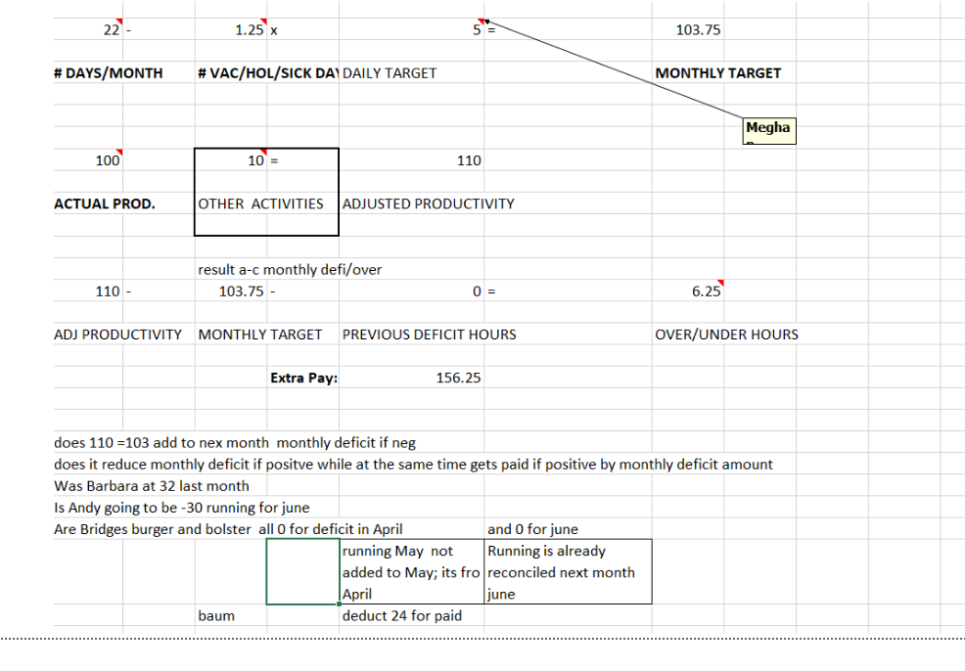
JUNE | DAY
 | 22

