ExpectedResult
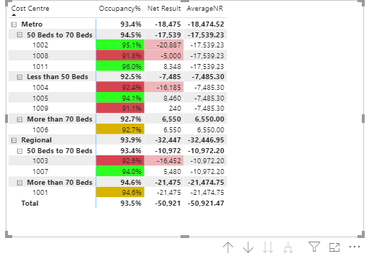
Cost Centre | Occupancy% | Net Result
Metro | 93.4% | (2,639)
50 Beds to 70 Beds | 94.5% | (5,846)
1002 | 95.1% | (20,887)
1008 | 91.8% | (5,000)
1011 | 96.0% | 8,348
Less than 50 Beds | 92.5% | (2,495)
1004 | 92.4% | (16,185)
1005 | 94.1% | 8,460
1009 | 91.1% | 240
More than 70 Beds | 92.7% | 6,550
1006 | 92.7% | 6,550
Regional | 93.9% | (10,816)
50 Beds to 70 Beds | 93.4% | (5,486)
1003 | 92.6% | (16,452)
1007 | 94.0% | 5,480
More than 70 Beds | 94.6% | (21,475)
1001 | 94.6% | (21,475)
Total | 93.5% | (5,092)

What I would like to highlight was cost centre with the net result worse than group average not the group total.

