Won Clients
Customer | 2015W26 | Known in 2015W26? | 2015W27 | Known in 2015W27? | Won Clients | Value Won | PBI: Who are my Won Clients?
51 | 0 | No | 86 | 51 | Yes | 86.00
53 | 0 | No | 53 | 53 | Yes | 53.00
54 | 0 | No | 73 | 54 | Yes | 73.00
59 | 0 | No | 88 | 59 | Yes | 88.00
62 | 0 | No | 41 | 62 | Yes | 41.00
69 | 0 | No | -1 | 69 | Yes | -1.00
77 | 0 | No | 83 | 77 | Yes | 83.00
78 | 0 | No | 12 | 78 | Yes | 12.00
81 | 0 | No | 73 | 81 | Yes | 73.00
83 | 0 | No | 63 | 83 | Yes | 63.00
99 | 0 | No | 49 | 99 | Yes | 49.00
 |  |  |  |  |  | 620.00

 |  |  |  |  |  |  | PBI: Customer-Product 2
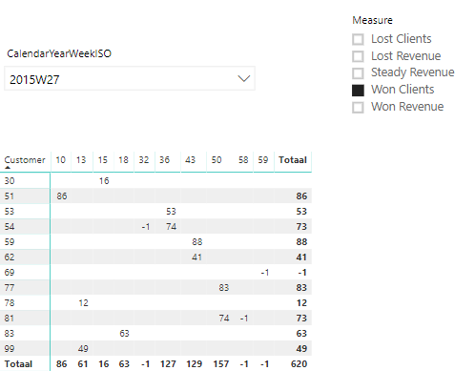

 |  |  |  |  |  |  | The difference in changing context is the amount of customer 30, product 15

