Lost Clients
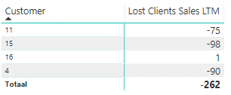
Customer | 2016W24 | Known in 2016W24? | 2016W25 | Known in 2016W25? | Lost Clients | Value Lost | PBI: Who are my Lost Clients?
4 | 90 | 4 | 0 | No | Yes | -90.00
11 | 75 | 11 | 0 | No | Yes | -75.00
15 | 98 | 15 | 0 | No | Yes | -98.00
16 | -1 | 16 | 0 | No | Yes | 1.00
 |  |  |  |  |  | -262.00

 |  |  |  |  |  |  | PBI: Lost Clients per Product:
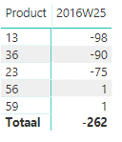

 |  |  |  |  |  |  | PBI: Customer-Product 2

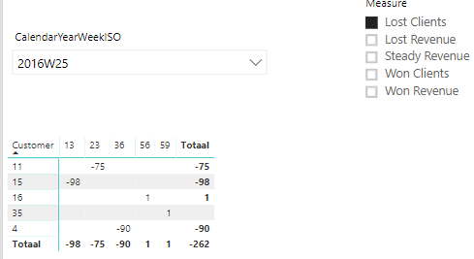

 |  |  |  |  |  |  | PBI: Difference is customer 35 with product 59

